Sheet 7_Non-Market Values
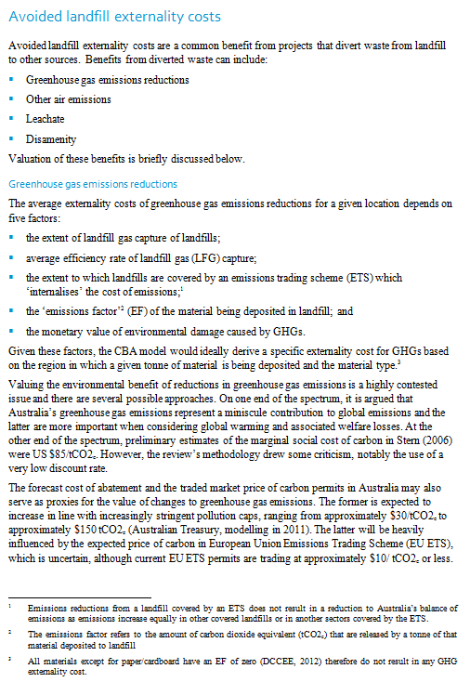 | 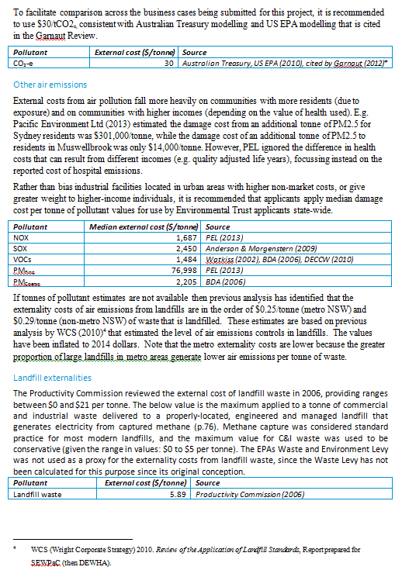 | Notes when completing the analysis (1) applicants should consider (and quantify where possible) all the impacts of their project, irrespective of who they accrue to. E.g. if the project would increase (or decrease) the applicants use of diesel fuels by a large amount, this will impact the air quality of on surrounding communities. Air pollution can be quantified in dollar-terms. (2) the important values in an economic analysis are the incremental changes in economic surplus: profit (as a proxy for producer surplus) and consumer surplus. Applicants should place a preference on measuring changes in surplus (e.g. a change in profits rather than a change in revenue or cost)

